Sheet1
Plane | Finished | Crashed | Best Time | Average Time | Plane | Best Time | Average Time
Steering | 17 | 47 | 29.64 | 30.09 | Steering | 29.22 | 29.25
Reinforcement | 26 | 6 | 33.64 | 33.7 | Reinforcement | 29.9 | 29.98
Imitation | 25 | 8 | 31.82 | 32.54 | Imitation | 30.02 | 30.05
Hybrid | 31 | 0 | 29.9 | 29.96 | Hybrid | 29.16 | 29.18

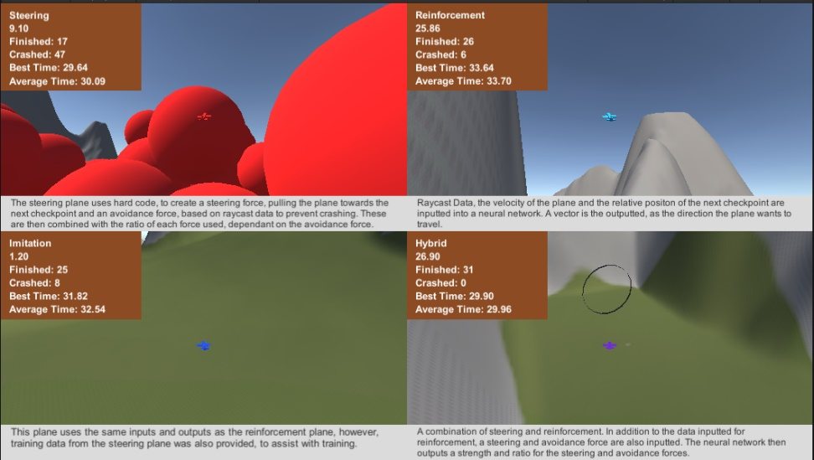
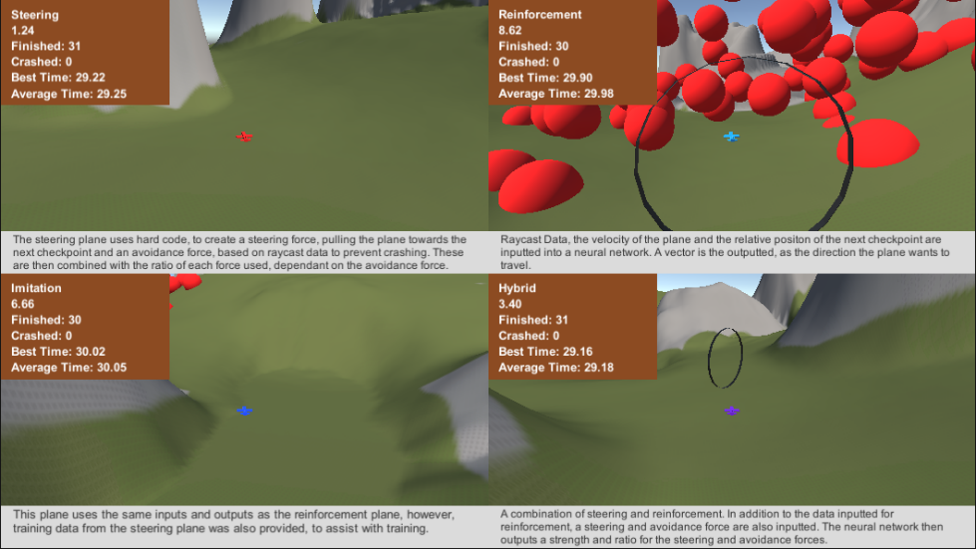

Plane Success Rate on Difficult Course
Plane Completion Time on Training Course

